Results
 |  |  |  |  | Left high beta |  | Left_Gamma |  | Right_high Beta

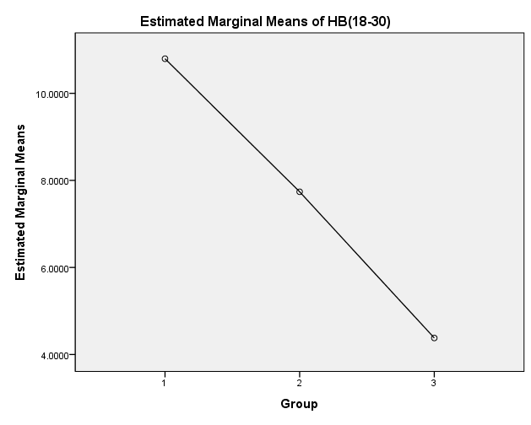
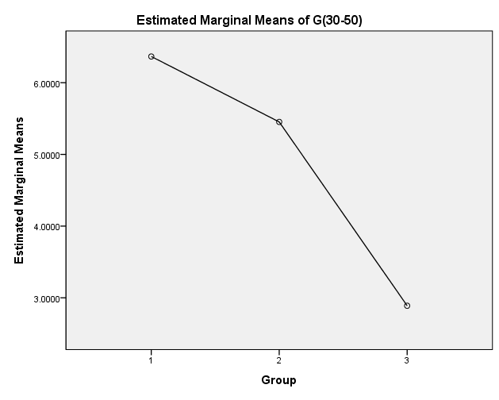
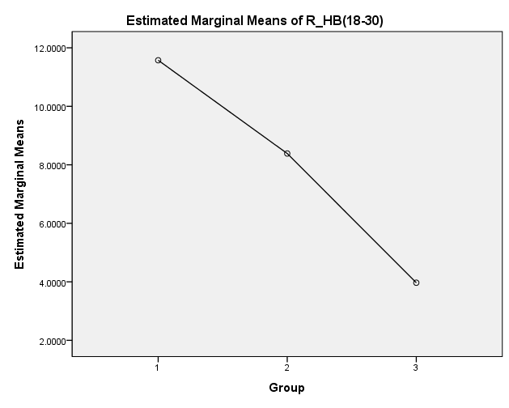

숫자
잔상
호흡

상대값(주파수비율)

숫자_Descriptive Statistics Mean
 | Descriptive Statistics | Descriptive Statistics | Descriptive Statistics | Descriptive Statistics | Descriptive Statistics
Davg | 0.849504 | 0.5802 | 0.9618 | 19 | 0.1137240
Tavg | 0.059176 | 0.0239 | 0.1508 | 19 | 0.0401765
Aavg | 0.047705 | 0.0083 | 0.1541 | 19 | 0.0427922
Lbavg | 0.019857 | 0.0043 | 0.0696 | 19 | 0.0203856
Hbavg | 0.025940 | 0.0035 | 0.0769 | 19 | 0.0250691
Gavg | 0.016726 | 0.0025 | 0.0462 | 19 | 0.0152445

 | Descriptive Statistics
 |  | Mean | Minimum | Maximum | N | Std. Deviation
 | Davg | 0.849504 | 0.5802 | 0.9618 | 19 | 0.1137240
 | Tavg | 0.059176 | 0.0239 | 0.1508 | 19 | 0.0401765
숫자 | Aavg | 0.047705 | 0.0083 | 0.1541 | 19 | 0.0427922
 | Lbavg | 0.019857 | 0.0043 | 0.0696 | 19 | 0.0203856
 | Hbavg | 0.025940 | 0.0035 | 0.0769 | 19 | 0.0250691
 | Gavg | 0.016726 | 0.0025 | 0.0462 | 19 | 0.0152445
 | Valid N (listwise) | 19
 |  |  |  |  |  |  |  | 상관분석결과 사후 스트레스 * SDSD 사후 스트레스 * 왼쪽 절대값 델타, 세타, 로우베타 SRI * 세타비대칭 숫자조건 SRI * lf/hf

잔상
 | Descriptive Statistics
 |  | Mean | Minimum | Maximum | N | Std. Deviation
 | Davg | 0.871262 | 0.6694 | 0.9741 | 20.000000 | 0.0924471
 | Tavg | 0.046122 | 0.0100 | 0.1121 | 20.000000 | 0.0265324
잔상 | Aavg | 0.040573 | 0.0058 | 0.1732 | 20.000000 | 0.0384083
 | Lbavg | 0.015995 | 0.0029 | 0.0579 | 20.000000 | 0.0143452
 | Hbavg | 0.022641 | 0.0033 | 0.0687 | 20.000000 | 0.0204409
 | Gavg | 0.019077 | 0.0023 | 0.1098 | 20.000000 | 0.0248738

호흡_Mean
 | Descriptive Statistics
 |  | Mean | Minimum | Maximum | N | Std. Deviation
 | Davg | 0.887881 | 0.6920 | 0.9523 | 18.000000 | 0.0661738
 | Tavg | 0.048171 | 0.0209 | 0.1133 | 18.000000 | 0.0297608
 | Aavg | 0.047256 | 0.0106 | 0.1801 | 18.000000 | 0.0418788
호흡 | Lbavg | 0.010378 | 0.0046 | 0.0240 | 18.000000 | 0.0060283
 | Hbavg | 0.012393 | 0.0040 | 0.0333 | 18.000000 | 0.0079534
 | Gavg | 0.008174 | 0.0028 | 0.0244 | 18.000000 | 0.0053521

